Script
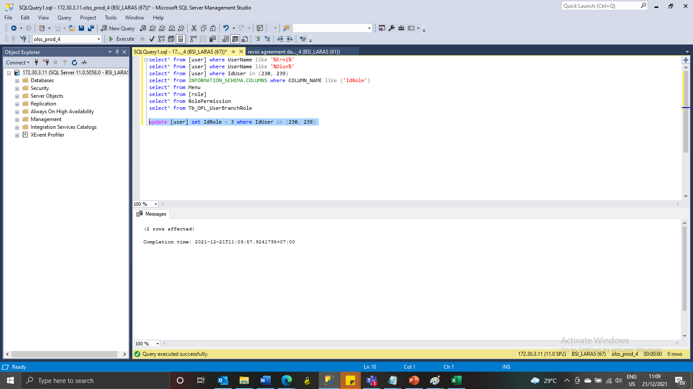
update [user] set IdRole = 3 where IdUser in (230, 239)

